Sheet1
Picture | Package | Quantity | Quantity/case | Product Link | Remark
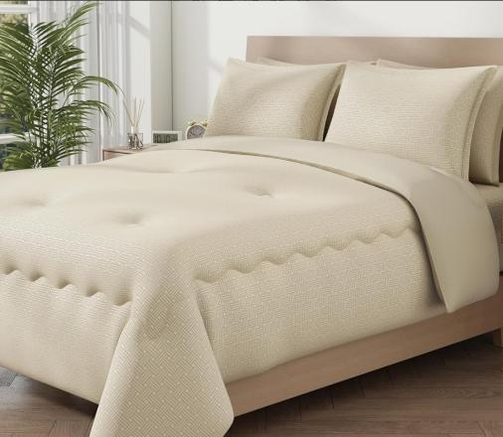 | 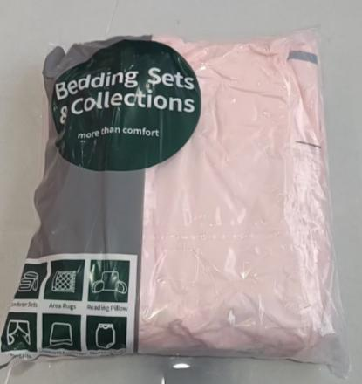 | 660 | 8 | https://www.amazon.com/dp/B0F38HZCWZ | 4 size( Twin,Full,Queen,King)
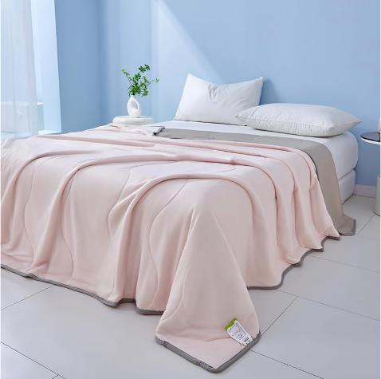 | 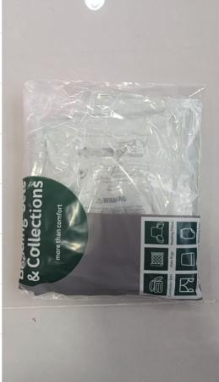 | 1399 | 20 | https://www.amazon.com/PAJEO-Sleepers-Lightweight-Breathable-Comforter/dp/B0F28RNF3S/ref=sr_1_18?crid=1IPH0F52NFB7F&dib=eyJ2IjoiMSJ9.PXd_-9of6CeBxACEcy5Gla_ylv8R9X6_0g48TXzvnMvY_MQjTisgi0BsRqiF_McnXr4w7xp7omhU5K2vgcIOBgZb364qWNEfvenH0GlsDBuO-oJD4as_9Ck8CLnvcd9DwPq5hWIqQGVA7tV5gHH801Z76ta2O-4SawUwmYS24lGcQvV6RY_lQS8GWvqLaYTCQJ7G5-j7WrAkkkwqRfjLz3CRWBDsKPMdAXCC7UUr3gmn9K_j3-_EXUmeh9RUxoCJYwRCwhFFFx4hV9oUPtSvfqcG_s3SYxHA8iH_Hv5Q5oY.HbNVFRo0-8IFV0g4yF4Drpc1N9sCTgZyEY39qR38ESE&dib_tag=se&keywords=pajeo&qid=1764037995&s=home-garden&sprefix=pa+je+o%2Cgarden%2C448&sr=1-18 | 3 Size ( 100*150，150*200，200*230)
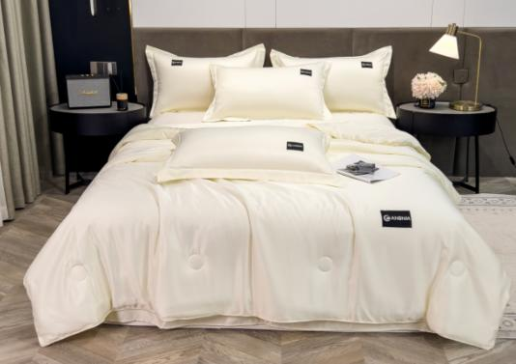 | 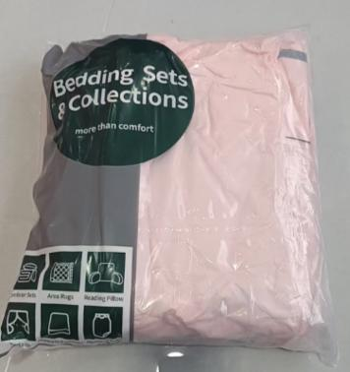 | 513 | 10 | https://www.amazon.com/PAJEO-Comforter-Bedding-Seasons-Lightweight/dp/B0DXDYSWJQ/ref=sr_1_21?crid=1IPH0F52NFB7F&dib=eyJ2IjoiMSJ9.PXd_-9of6CeBxACEcy5Gla_ylv8R9X6_0g48TXzvnMvY_MQjTisgi0BsRqiF_McnXr4w7xp7omhU5K2vgcIOBgZb364qWNEfvenH0GlsDBuO-oJD4as_9Ck8CLnvcd9DwPq5hWIqQGVA7tV5gHH801Z76ta2O-4SawUwmYS24lGcQvV6RY_lQS8GWvqLaYTCQJ7G5-j7WrAkkkwqRfjLz3CRWBDsKPMdAXCC7UUr3gmn9K_j3-_EXUmeh9RUxoCJYwRCwhFFFx4hV9oUPtSvfqcG_s3SYxHA8iH_Hv5Q5oY.HbNVFRo0-8IFV0g4yF4Drpc1N9sCTgZyEY39qR38ESE&dib_tag=se&keywords=pajeo&qid=1764038532&s=home-garden&sprefix=pa+je+o%2Cgarden%2C448&sr=1-21 | 4 size( Twin,Full,Queen,King)
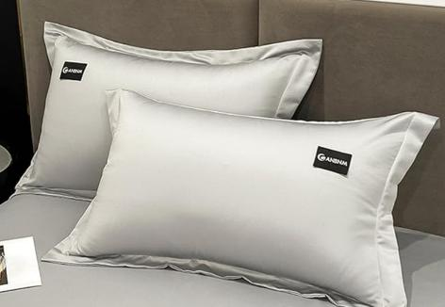 |  | 394 | 40 | https://www.amazon.com/PAJEO-Premium-Pillowcase-Set-Temperature-Regulating/dp/B0DXF2RCVZ/ref=sr_1_23?crid=1IPH0F52NFB7F&dib=eyJ2IjoiMSJ9.PXd_-9of6CeBxACEcy5Gla_ylv8R9X6_0g48TXzvnMvY_MQjTisgi0BsRqiF_McnXr4w7xp7omhU5K2vgcIOBgZb364qWNEfvenH0GlsDBuO-oJD4as_9Ck8CLnvcd9DwPq5hWIqQGVA7tV5gHH801Z76ta2O-4SawUwmYS24lGcQvV6RY_lQS8GWvqLaYTCQJ7G5-j7WrAkkkwqRfjLz3CRWBDsKPMdAXCC7UUr3gmn9K_j3-_EXUmeh9RUxoCJYwRCwhFFFx4hV9oUPtSvfqcG_s3SYxHA8iH_Hv5Q5oY.HbNVFRo0-8IFV0g4yF4Drpc1N9sCTgZyEY39qR38ESE&dib_tag=se&keywords=pajeo&qid=1764038532&s=home-garden&sprefix=pa%2Bje%2Bo%2Cgarden%2C448&sr=1-23&th=1 | 4 size( Twin,Full,Queen,King)
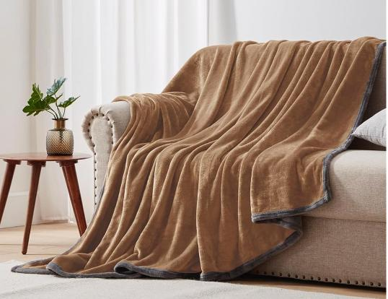 | 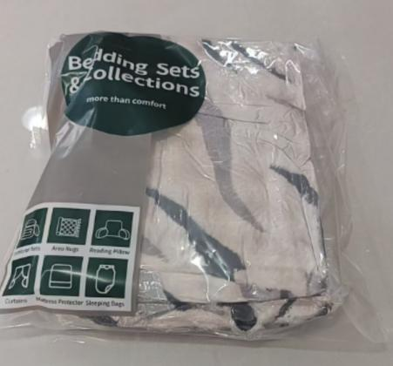 | 818 | 15 | https://www.amazon.com/dp/B0DYZJ6HXP | 3 Size ( 100*150，150*200，200*230)
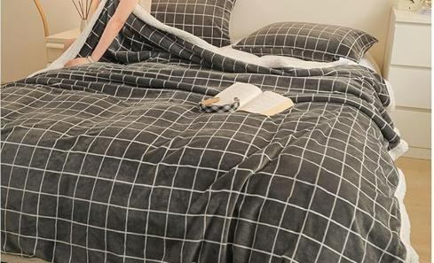 | 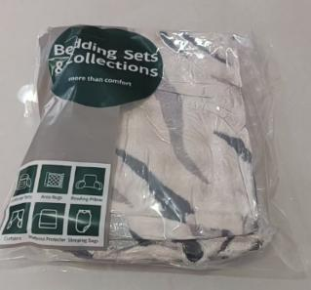 | 230 | 15 | https://www.amazon.com/dp/B0DYZGY3YP | 3 Size ( 100*150，150*200，200*230)
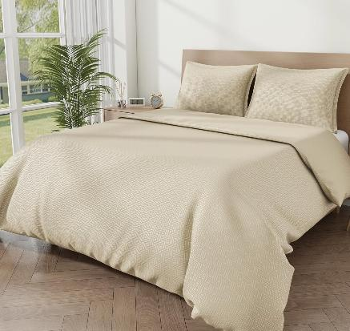 | 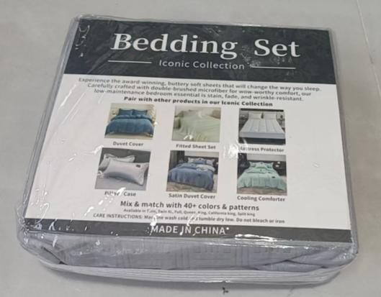 | 1816 | 18 | https://www.amazon.com.br/dp/B0FF2SHWLD | 4 size( Twin,Full,Queen,King)
 |  | 5830

